Sheet1
Talk Bubble Order Form
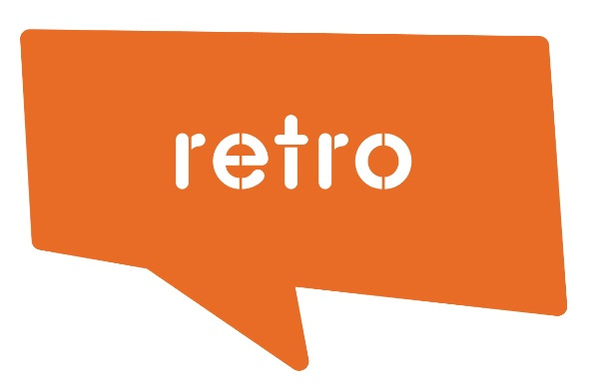
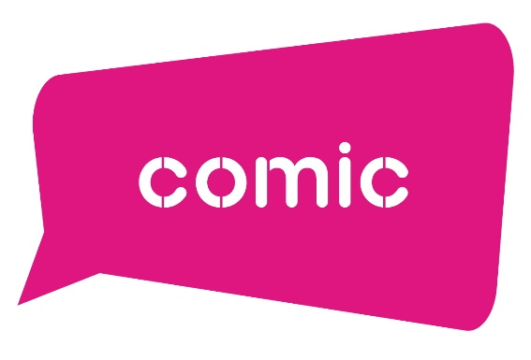

Talk Bubble Type
Comic
Retro
Speech
Action
Lightning
Thought
Splat

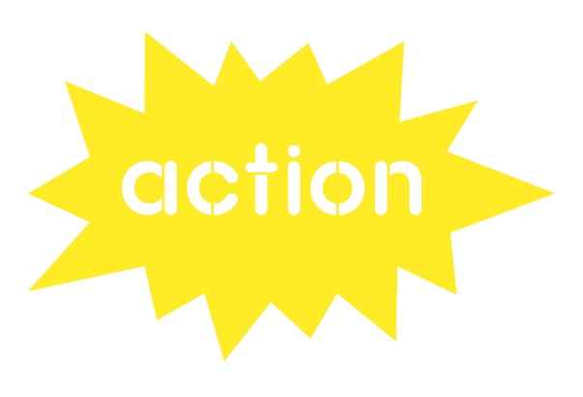
Suggested Words | Qty | Talk Bubble Type | Fluro Edge |  |  | Translucent
 |  |  | Yellow | Pink | Orange | Blue | Green | Red | Purple
analyse
apply
challenge
collaborate
create
discover
dream
enlighten
enrich
evaluate
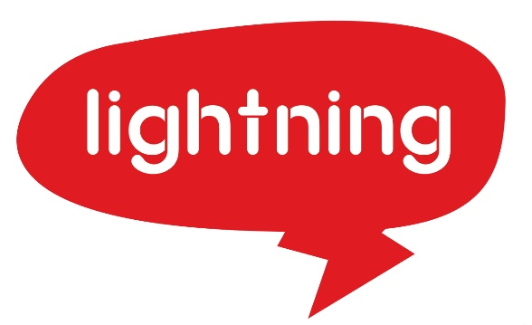
experience
explore
fun
grow
how?
imagine
inquire
inspire
justify
learn

liberate
persist
play
questions
read
reflect
remember
rethink
sing

succeed
transform
understand
what?
when?
where?
who?
why?

